Dashboard
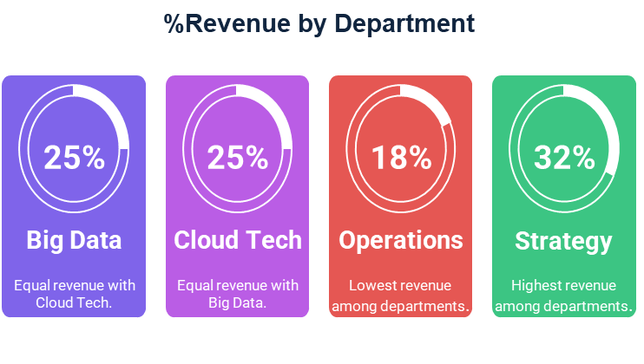
KPI Dashboard

Total Revenue
$129,332.50
Total Profit
$28,845.00
Total Transactions
28
Average Profit Margin
$4,619.02

Revenue by Payment Method
 | Revenue
Card | $13,250
Check | $19,350
NA | $3,713
PayPal | $23,050
Transfer | $69,970

